Sep Sales Portion
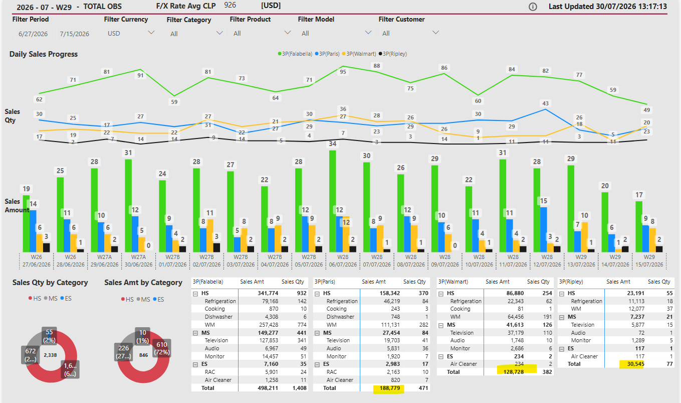
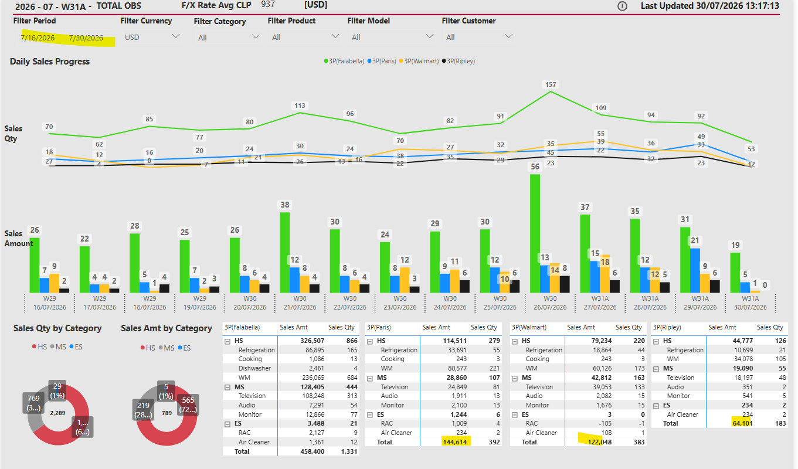
*Expand for update

 |  | Sales Amt |  | Sep | 1 to 4
 |  | (KUSD) |  |  |  | *Update (Paste) on yellow fields
 |  | Division | Product | Target | ML | IOD (B1) | Return (B2) | Invoice PY | Invoice (B) | Orders (C) | Open (C1) | Pick (C2) | Dely (C3) | Back (D) | Hold (D) | Total Orders (C+D) | Total PO (B+C+D) | Total Progress (vs ML) | Only OBS PO | Total 3P PO | 3P Fala PO | 3P Paris PO | 3P Wmt PO | 3P Ripley PO
 |  | HS |  | 1,172 | 1,490 | 1,438 | (43) | 761 | 1,395 | 188 | 94 | 75 | 18 | 0 |  | 188 | 1,583 | 106% | 597.2 | 985.7 | 589.3 | 184.3 | 133.4 | 78.7
 | CNT |  | Refrigeration | 408 | 463 | 439 | (16) | 302 | 424 | 65 | 32 | 25 | 8 |  |  | 65 | 489 | 106% | 190.6 | 298.2 | 176.8 | 57.3 | 39.3 | 24.7
 | CVT |  | Cooking | 6 | - | 0 | (0) | 6 | (0) |  |  |  |  |  |  |  | (0) | 0% | 0.1 | (0.1)
 | CDT |  | Dishwasher | 20 | 11 | 12 |  | 12 | 12 | 2 | 1 | 2 |  |  |  | 2 | 15 | 133% | 8.1 | 6.5 | 2.1 | 3.8 |  | 0.6
 | DFT |  | WM | 735 | 1,016 | 986 | (27) | 441 | 959 | 120 | 61 | 49 | 11 | 0 |  | 121 | 1,080 | 106% | 398.4 | 681.1 | 410.5 | 123.3 | 94.1 | 53.4
 | DVT |  | Vaccum Cleaner | 2 | - |  |  |  |  |  |  |  |  |  |  |  |  | 0%
 |  | MS |  | 825 | 756 | 751 | (24) | 445 | 728 | 54 | 27 | 16 | 11 | 6 |  | 60 | 788 | 104% | 299.4 | 488.2 | 328.3 | 59.9 | 74.1 | 25.9
 | GLT |  | Television | 742 | 633 | 629 | (21) | 408 | 609 | 42 | 20 | 13 | 9 | 4 |  | 46 | 654 | 103% | 252.6 | 401.8 | 262.4 | 49.5 | 66.6 | 22.8
 | PNT |  | Audio | 26 | 59 | 51 | (1) | 15 | 50 | 5 | 3 | 1 | 1 | 2 |  | 7 | 57 | 97% | 20.2 | 37.0 | 25.3 | 6.9 | 3.5 | 1.3
 | GTT |  | Monitor | 57 | 65 | 71 | (2) | 23 | 69 | 7 | 4 | 2 | 1 | 0 |  | 7 | 76 | 117% | 26.7 | 49.4 | 40.0 | 3.6 | 4.0 | 1.8
 |  | ES |  | 43 | 28 | 29 | (1) | 22 | 28 | 1 |  | 1 | 0 |  |  | 1 | 29 | 105% | 20.1 | 9.3 | 3.7 | 4.6 | 1.0
 | DGT |  | RAC | 43 | 28 | 29 | (1) | 22 | 28 | 1 |  | 1 | 0 |  |  | 1 | 29 | 104% | 19.2 | 9.9 | 4.0 | 4.6 | 1.0
 | DLT |  | Air cleaner |  | - | 1 | (1) |  | 0 | 0 |  | 0 |  |  |  | 0 | 0 | 0% | 0.9 | (0.6)
 | DMT |  | SAC |  | - |  |  |  |  |  |  |  |  |  |  |  |  | 0%
 |  | Total |  | 2,040 | 2,274 | 2,219 | (68) | 1,228 | 2,151 | 243 | 122 | 92 | 30 | 6 | - | 249 | 2,400 | 106% | 916.8 | 1,483.2 | 921.2 | 248.9 | 208.5 | 104.6

 |  | Sales Portion |  | Sep | 1 to 4
 |  | Division | Product | Total (B+C+D) | Only OBS | Total 3P | 3P Fala | 3P Paris | 3P Wmt | 3P Ripley
 | CNT | HS | Refrigeration | 20% | 21% | 20% | 19% | 23% | 19% | 24%
 | CVT | HS | Cooking | 0% | 0% | 0% | 0% | 0% | 0% | 0%
 | CDT | HS | Dishwasher | 1% | 1% | 0% | 0% | 2% | 0% | 1%
 | DFT | HS | WM | 45% | 43% | 46% | 45% | 50% | 45% | 51%
 | DVT | HS | Vaccum Cleaner | 0% | 0% | 0% | 0% | 0% | 0% | 0%
 | GLT | MS | Television | 27% | 28% | 27% | 28% | 20% | 32% | 22%
 | PNT | MS | Audio | 2% | 2% | 2% | 3% | 3% | 2% | 1%
 | GTT | MS | Monitor | 3% | 3% | 3% | 4% | 1% | 2% | 2%
 | DGT | ES | RAC | 1% | 2% | 1% | 0% | 2% | 0% | 0%
 | DLT | ES | Air cleaner | 0% | 0% | 0% | 0% | 0% | 0% | 0%
 | DMT | ES | SAC | 0% | 0% | 0% | 0% | 0% | 0% | 0%
 |  | Total |  | 100% | 100% | 100% | 100% | 100% | 100% | 100%
 |  |  |  |  |  |  |  |  |  |  |  | Log Cost | Log Cost | Log Cost | Log Cost | Log Cost | Log Cost | Monthly | Monthly | Monthly | Monthly
 |  | 1era Quincena |  | Sep | 1 to 14 | *Update (Paste) on yellow fields |  |  |  |  |  | May | Jun | Mar | Abr | May | Jun | July | July | July | July
 |  | Division | Product | Total | Only OBS | Total 3P PO | 3P Fala PO | 3P Paris PO | 3P Wmt PO | 3P Ripley PO | Fala Credit Note | 3P Paris | 3P Paris | 3P Walmart | 3P Walmart | 3P Walmart | 3P Walmart | 3P Paris | 3P Ripley | 3P Walmart | Transbank
 | CNT | HS | Refrigeration |  |  | - | - | - | - | - | - | 1,638,148 | 6,722,451 | - | - | - | - | - | 2,112,033 | 3,027,780 | 1,314,770
 | CVT | HS | Cooking |  |  | - | - | - | - | - | - | - | - | - | - | - | - | - | - | - | 479
 | CDT | HS | Dishwasher |  |  | - | - | - | - | - | - | 107,838 | - | - | - | - | - | - | 51,281 | - | 55,931
 | DFT | HS | WM |  |  | - | - | - | - | - | - | 3,522,827 | 13,175,459 | - | - | - | - | - | 4,558,071 | 7,248,371 | 2,747,576
 | DVT | HS | Vaccum Cleaner |  |  | - | - | - | - | - | - | - | - | - | - | - | - | - | - | - | -
 | GLT | MS | Television |  |  | - | - | - | - | - | - | 1,414,859 | 9,319,119 | - | - | - | - | - | 1,949,009 | 5,126,836 | 1,742,084
 | PNT | MS | Audio |  |  | - | - | - | - | - | - | 196,551 | 494,025 | - | - | - | - | - | 110,616 | 271,784 | 138,991
 | GTT | MS | Monitor |  |  | - | - | - | - | - | - | 101,707 | 559,469 | - | - | - | - | - | 151,643 | 307,787 | 183,954
 | DGT | ES | RAC |  |  | - | - | - | - | - | - | 132,591 | 144,074 | - | - | - | - | - | - | 79,261 | 132,439
 | DLT | ES | Air cleaner |  |  | - | - | - | - | - | - | - | - | - | - | - | - | - | - | - | 6,298
 | DMT | ES | SAC |  |  | - | - | - | - | - | - | - | - | - | - | - | - | - | - | - | -
 |  | Total |  |  |  | - |  |  |  |  |  | 7,114,520 | 29,195,783 |  |  |  |  |  | 8,932,653 | 16,061,820 | 6,322,522
 |  |  |  |  |  |  |  |  |  |  |  | (7,105,933) | (28,588,840) | (4,424,641) | (4,010,156) | (4,718,151) | (10,510,838)
 |  | 2da Quincena |  | Sep | 15 to 31 | *Update (Paste) on yellow fields
 |  | Division | Product | Total PO (B+C+D) | Only OBS PO | Total 3P PO | 3P Fala PO | 3P Paris PO | 3P Wmt PO | 3P Ripley PO | Fala Credit Note | 3P Paris Costo Log | 3P Wmt Costo Log
 | CNT | HS | Refrigeration |  |  | - | - | - | - | - | - | - | -
 | CVT | HS | Cooking |  |  | - | - | - | - | - | - | - | -
 | CDT | HS | Dishwasher |  |  | - | - | - | - | - | - | - | -
 | DFT | HS | WM |  |  | - | - | - | - | - | - | - | -
 | DVT | HS | Vaccum Cleaner |  |  | - | - | - | - | - | - | - | -
 | GLT | MS | Television |  |  | - | - | - | - | - | - | - | -
 | PNT | MS | Audio |  |  | - | - | - | - | - | - | - | -
 | GTT | MS | Monitor |  |  | - | - | - | - | - | - | - | -
 | DGT | ES | RAC |  |  | - | - | - | - | - | - | - | -
 | DLT | ES | Air cleaner |  |  | - | - | - | - | - | - | - | -
 | DMT | ES | SAC |  |  | - | - | - | - | - | - | - | -
 |  | Total |  |  |  | - | - |  |  |  | -

 |  | Total (Jul27 to Augl31) |  |  |  | *Update (Paste) on yellow fields
 |  | Division | Product | Total PO (B+C+D) | Only OBS PO | Total 3P PO | 3P Fala PO | 3P Paris PO | 3P Wmt PO | 3P Ripley PO | Fala Credit Note | 3P Paris Costo Log | 3P Wmt Costo Log | Transbank | Mercado Pago | OMS Soptec Var. | OMS Soptec Fix.
 | CNT | HS | Refrigeration |  |  | - | - | - | - | - | - | 1,638,148 | 6,722,451 | - | 1,508,792 | - | -
 | CVT | HS | Cooking |  |  | - | - | - | - | - | - | - | - | - | 550 | - | -
 | CDT | HS | Dishwasher |  |  | - | - | - | - | - | - | 107,838 | - | - | 64,185 | - | -
 | DFT | HS | WM |  |  | - | - | - | - | - | - | 3,522,827 | 13,175,459 | - | 3,153,039 | - | -
 | DVT | HS | Vaccum Cleaner |  |  | - | - | - | - | - | - | - | - | - | - | - | -
 | GLT | MS | Television |  |  | - | - | - | - | - | - | 1,414,859 | 9,319,119 | - | 1,999,165 | - | -
 | PNT | MS | Audio |  |  | - | - | - | - | - | - | 196,551 | 494,025 | - | 159,502 | - | -
 | GTT | MS | Monitor |  |  | - | - | - | - | - | - | 101,707 | 559,469 | - | 211,101 | - | -
 | DGT | ES | RAC |  |  | - | - | - | - | - | - | 132,591 | 144,074 | - | 151,983 | - | -
 | DLT | ES | Air cleaner |  |  | - | - | - | - | - | - | - | - | - | 7,227 | - | -
 | DMT | ES | SAC |  |  | - | - | - | - | - | - | - | - | - | - | - | -
 |  | Total |  | - |  | - | - | - | - | - | - | 7,114,520 | 29,195,783 |  | 7,255,543

 |  | *Update (Paste) on yellow fields
 |  | FX (Actual) | 935
 |  | Paris | 10.90% | + Log Cost
 |  | Walmart | 7.65% | + Log Cost
 |  | Ripley | 10.90% | + Log Cost

 |  | TOTAL
 |  | Commission Estimation |  | Sep | 1 | 31
 |  |  |  | USD | USD | USD | CLP | CLP | CLP | CLP | CLP | CLP
 |  |  |  | Sales | Sales | Sales | Sales | Sales | Sales | Commission | Commission | Commission
 |  | Division | PRODUCT | Paris | Walmart | Ripley | Paris | Walmart | Ripley | Paris | Walmart | Ripley
 | CNT | HS | Refrigeration | 76,720 | 52,113 | 32,431 | 71,733,416 | 48,726,015 | 30,322,769 | 7,818,942 | 3,727,540 | 3,305,182
 | CVT | HS | Cooking | - | - | - | - | - | - | - | - | -
 | CDT | HS | Dishwasher | - | - | - | - | - | - | - | - | -
 | DFT | HS | WM | 143,935 | 147,858 | 83,061 | 134,579,585 | 138,247,302 | 77,661,963 | 14,669,175 | 10,575,919 | 8,465,154
 | DVT | HS | VCC | - | - | - | - | - | - | - | - | -
 | GLT | MS | Television | 64,077 | 108,715 | 33,630 | 59,911,995 | 101,648,165 | 31,444,266 | 6,530,407 | 7,776,085 | 3,427,425
 | PNT | MS | Audio | 8,370 | 5,198 | 1,002 | 7,825,950 | 4,860,562 | 936,438 | 853,029 | 371,833 | 102,072
 | GTT | MS | Monitor | 3,095 | 6,756 | 3,813 | 2,894,041 | 6,316,500 | 3,565,155 | 315,450 | 483,212 | 388,602
 | DGT | ES | RAC | 6,474 | 1,199 | - | 6,053,406 | 1,121,497 | - | 659,821 | 85,794 | -
 | DLT | ES | Air Cleaner | - | - | - | - | - | - | - | - | -
 | DMT | ES | SAC | - | - | - | - | - | - | - | - | -
 |  | Total |  | 302,672 | 321,840 | 153,936 | 282,998,392 | 300,920,040 | 143,930,592 | 30,846,825 | 23,020,383 | 15,688,434

 |  | TOTAL (Actual)
 |  | Commission Estimation |  | Sep | 1 | 20
 |  |  |  | USD | USD | USD | CLP | CLP | CLP | CLP | CLP | CLP
 |  |  |  | Sales | Sales | Sales | Sales | Sales | Sales | Commission | Commission | Commission
 |  | Division | PRODUCT | Paris | Walmart | Ripley | Paris | Walmart | Ripley | Paris | Walmart | Ripley
 | CNT | HS | Refrigeration | 64,346 | 43,708 | 27,200 | 60,163,510 | 40,866,980 | 25,432,000 | 6,557,823 | 3,126,324 | 2,772,088
 | CVT | HS | Cooking | - | - | - | - | - | - | - | - | -
 | CDT | HS | Dishwasher | - | - | - | - | - | - | - | - | -
 | DFT | HS | WM | 120,720 | 124,010 | 69,664 | 112,873,200 | 115,949,350 | 65,135,840 | 12,303,179 | 8,870,125 | 7,099,807
 | DVT | HS | VCC | - | - | - | - | - | - | - | - | -
 | GLT | MS | Television | 53,742 | 91,180 | 28,206 | 50,248,770 | 85,253,300 | 26,372,610 | 5,477,116 | 6,521,877 | 2,874,614
 | PNT | MS | Audio | 7,020 | 4,360 | 840 | 6,563,700 | 4,076,600 | 785,400 | 715,443 | 311,860 | 85,609
 | GTT | MS | Monitor | 2,596 | 5,666 | 3,198 | 2,427,260 | 5,297,710 | 2,990,130 | 264,571 | 405,275 | 325,924
 | DGT | ES | RAC | 5,430 | 1,006 | - | 5,077,050 | 940,610 | - | 553,398 | 71,957 | -
 | DLT | ES | Air Cleaner | - | - | - | - | - | - | - | - | -
 | DMT | ES | SAC | - | - | - | - | - | - | - | - | -
 |  | Total |  | 253,854 | 269,930 | 129,108 | 237,353,490 | 252,384,550 | 120,715,980 | 25,871,530 | 19,307,418 | 13,158,042

 |  | 1era QUINCENA |  | *Update (Paste) on yellow fields
 |  | Commission Estimation |  | Sep | 1 | 14
 |  |  |  | USD | USD | USD | CLP | CLP | CLP | CLP | CLP | CLP
 |  |  |  | Sales | Sales | Sales | Sales | Sales | Sales | Commission | Commission | Commission
 |  | Division | PRODUCT | Paris | Walmart | Ripley | Paris | Walmart | Ripley | Paris | Walmart | Ripley
 | CNT | HS | Refrigeration | 32,173 | 21,854 | 13,600 | 30,081,755 | 20,433,490 | 12,716,000 | 3,278,911 | 1,563,162 | 1,386,044
 | CVT | HS | Cooking |  |  |  | - | - | - | - | - | -
 | CDT | HS | Dishwasher |  |  |  | - | - | - | - | - | -
 | DFT | HS | WM | 60,360 | 62,005 | 34,832 | 56,436,600 | 57,974,675 | 32,567,920 | 6,151,589 | 4,435,063 | 3,549,903
 | DVT | HS | VCC |  |  |  | - | - | - | - | - | -
 | GLT | MS | Television | 26,871 | 45,590 | 14,103 | 25,124,385 | 42,626,650 | 13,186,305 | 2,738,558 | 3,260,939 | 1,437,307
 | PNT | MS | Audio | 3,510 | 2,180 | 420 | 3,281,850 | 2,038,300 | 392,700 | 357,722 | 155,930 | 42,804
 | GTT | MS | Monitor | 1,298 | 2,833 | 1,599 | 1,213,630 | 2,648,855 | 1,495,065 | 132,286 | 202,637 | 162,962
 | DGT | ES | RAC | 2,715 | 503 |  | 2,538,525 | 470,305 | - | 276,699 | 35,978 | -
 | DLT | ES | Air Cleaner |  |  |  | - | - | - | - | - | -
 | DMT | ES | SAC |  |  |  | - | - | - | - | - | -
 |  | Total |  | 126,927 | 134,965 | 64,554 | 118,676,745 | 126,192,275 | 60,357,990 | 12,935,765 | 9,653,709 | 6,579,021

 |  | 2da QUINCENA
 |  | Commission Estimation |  | Sep | 15 | 31
 |  |  |  | USD | USD | USD | CLP | CLP | CLP | CLP | CLP | CLP
 |  |  |  | Sales | Sales | Sales | Sales | Sales | Sales | Commission | Commission | Commission
 |  | Division | PRODUCT | Paris | Walmart | Ripley | Paris | Walmart | Ripley | Paris | Walmart | Ripley
 | CNT | HS | Refrigeration | 44,547 | 30,259 | 18,831 | 41,651,661 | 28,292,525 | 17,606,769 | 4,540,031 | 2,164,378 | 1,919,138
 | CVT | HS | Cooking | - | - | - | - | - | - | - | - | -
 | CDT | HS | Dishwasher | - | - | - | - | - | - | - | - | -
 | DFT | HS | WM | 83,575 | 85,853 | 48,229 | 78,142,985 | 80,272,627 | 45,094,043 | 8,517,585 | 6,140,856 | 4,915,251
 | DVT | HS | VCC | - | - | - | - | - | - | - | - | -
 | GLT | MS | Television | 37,206 | 63,125 | 19,527 | 34,787,610 | 59,021,515 | 18,257,961 | 3,791,849 | 4,515,146 | 1,990,118
 | PNT | MS | Audio | 4,860 | 3,018 | 582 | 4,544,100 | 2,822,262 | 543,738 | 495,307 | 215,903 | 59,267
 | GTT | MS | Monitor | 1,797 | 3,923 | 2,214 | 1,680,411 | 3,667,645 | 2,070,090 | 183,165 | 280,575 | 225,640
 | DGT | ES | RAC | 3,759 | 696 | - | 3,514,881 | 651,192 | - | 383,122 | 49,816 | -
 | DLT | ES | Air Cleaner | - | - | - | - | - | - | - | - | -
 | DMT | ES | SAC | - | - | - | - | - | - | - | - | -
 |  | Total |  | 175,745 | 186,875 | 89,382 | 164,321,647 | 174,727,765 | 83,572,602 | 17,911,060 | 13,366,674 | 9,109,414

 |  | *Update (Paste) on yellow fields
 |  | Days left: | 5
 |  | Days concurred: | 26

 |  | Estimation Tool |  | Sep | 15 | 20
 |  |  |  | USD | USD | USD | CLP | CLP | CLP | CLP | CLP | CLP
 |  |  |  | Sales | Sales | Sales | Sales | Sales | Sales | Commission | Commission | Commission
 |  | Division | PRODUCT | Paris | Walmart | Ripley | Paris | Walmart | Ripley | Paris | Walmart | Ripley
 | CNT | HS | Refrigeration | 32,173 | 21,854 | 13,600 | 30,081,755 | 20,433,490 | 12,716,000 | 3,278,911 | 1,563,162 | 1,386,044
 | CVT | HS | Cooking |  |  |  | - | - | - | - | - | -
 | CDT | HS | Dishwasher |  |  |  | - | - | - | - | - | -
 | DFT | HS | WM | 60,360 | 62,005 | 34,832 | 56,436,600 | 57,974,675 | 32,567,920 | 6,151,589 | 4,435,063 | 3,549,903
 | DVT | HS | VCC |  |  |  | - | - | - | - | - | -
 | GLT | MS | Television | 26,871 | 45,590 | 14,103 | 25,124,385 | 42,626,650 | 13,186,305 | 2,738,558 | 3,260,939 | 1,437,307
 | PNT | MS | Audio | 3,510 | 2,180 | 420 | 3,281,850 | 2,038,300 | 392,700 | 357,722 | 155,930 | 42,804
 | GTT | MS | Monitor | 1,298 | 2,833 | 1,599 | 1,213,630 | 2,648,855 | 1,495,065 | 132,286 | 202,637 | 162,962
 | DGT | ES | RAC | 2,715 | 503 |  | 2,538,525 | 470,305 | - | 276,699 | 35,978 | -
 | DLT | ES | Air Cleaner |  |  |  | - | - | - | - | - | -
 | DMT | ES | SAC |  |  |  | - | - | - | - | - | -
 |  | Total |  | 126,927 | 134,965 | 64,554 | 118,676,745 | 126,192,275 | 60,357,990 | 12,935,765 | 9,653,709 | 6,579,021

 |  | Estimation Tool |  | Sep | 21 | 31
 |  |  |  | USD | USD | USD | CLP | CLP | CLP | CLP | CLP | CLP
 |  |  |  | Sales | Sales | Sales | Sales | Sales | Sales | Commission | Commission | Commission
 |  | Division | PRODUCT | Paris | Walmart | Ripley | Paris | Walmart | Ripley | Paris | Walmart | Ripley
 | CNT | HS | Refrigeration | 12,374 | 8,405 | 5,231 | 11,569,906 | 7,859,035 | 4,890,769 | 1,261,120 | 601,216 | 533,094
 | CVT | HS | Cooking | - | - | - | - | - | - | - | - | -
 | CDT | HS | Dishwasher | - | - | - | - | - | - | - | - | -
 | DFT | HS | WM | 23,215 | 23,848 | 13,397 | 21,706,385 | 22,297,952 | 12,526,123 | 2,365,996 | 1,705,793 | 1,365,347
 | DVT | HS | VCC | - | - | - | - | - | - | - | - | -
 | GLT | MS | Television | 10,335 | 17,535 | 5,424 | 9,663,225 | 16,394,865 | 5,071,656 | 1,053,292 | 1,254,207 | 552,810
 | PNT | MS | Audio | 1,350 | 838 | 162 | 1,262,250 | 783,962 | 151,038 | 137,585 | 59,973 | 16,463
 | GTT | MS | Monitor | 499 | 1,090 | 615 | 466,781 | 1,018,790 | 575,025 | 50,879 | 77,937 | 62,678
 | DGT | ES | RAC | 1,044 | 193 | - | 976,356 | 180,887 | - | 106,423 | 13,838 | -
 | DLT | ES | Air Cleaner | - | - | - | - | - | - | - | - | -
 | DMT | ES | SAC | - | - | - | - | - | - | - | - | -
 |  | Total |  | 48,818 | 51,910 | 24,828 | 45,644,902 | 48,535,490 | 23,214,612 | 4,975,294 | 3,712,965 | 2,530,393

